Hiearchy View
CLASS: STAIR
a set of steps leading from one floor of a building to another, typically inside the building. |  | 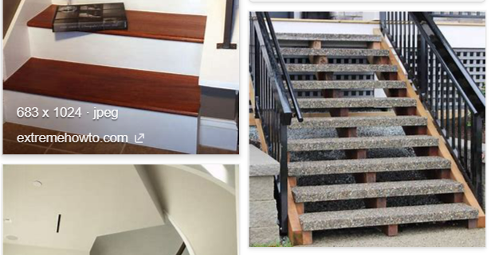
REMOVE | N

PROBLEM_DESC | CAUSE_DESC | REMEDY_DESC
BROKEN/DAMAGED
LIGHTING
OTHER PROBLEM
PESTS
STOPPED/SLOWED/POOR OPS
TEMP-CTRL
VIBRATION
Grand Total

